FMEA Table
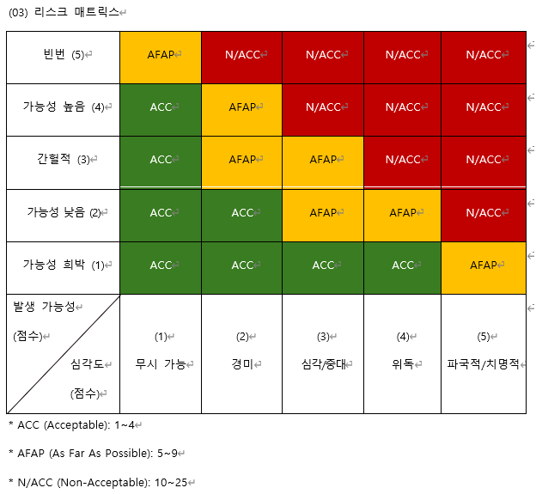
ID | Hazard | Cause (Sequence of events) | Failure Mode (Hazadous situation) | Effect of Failure (Harm) | Risk Assessment |  |  | Acceptable or Not | Control Measure Action | Verification of Risk Control Measure | Effectiveness of Risk Control Measure | Residual Risk Evaluation |  |  | Acceptable or Not | Benefit-Risk Analysis | Risk Arising from Risk Control Measure | Completeness of Risk Control | Overall residual risk evaluation

 |  |  |  |  | P | S | Risk |  |  |  |  | P | S | Risk
SRM-001 | Page and Dialog Display Risk | Page and Dialog Loading Failure or Delay | Screen is not displayed correctly | User is unable to perform functions, causing work delays | 4 | 2 | 8 | AFAP | Page and Dialog loading optimization | Yes | Yes | 1 | 2 | 2 | ACC | Yes | No | ACC | ACC
SRM-002 | Database Risk | Error Occurs During Database Data Input/Modification/Deletion | Data is not saved or incorrect values are stored | Patient data error or loss occurs, leading to analysis distortion and incorrect diagnosis | 4 | 2 | 8 | AFAP | Enhanced input data validation | Yes | Yes | 1 | 2 | 2 | ACC | Yes | No | ACC
SRM-003 | BLDC Motor Control Risk | BLDC Motor Rotation Control Failure | Motor does not function properly, causing catheter connection failure | Catheter insertion is not possible, preventing OCT imaging and requiring catheter reconnection | 5 | 2 | 10 | N/ACC | Motor status monitoring and anomaly detection, implementation of dual control system | Yes | Yes | 2 | 2 | 4 | ACC | Yes | No | ACC
SRM-004 | Pullback Motor Control Risk | Pullback Motor Control Error | Motor does not function properly, causing catheter connection failure | Catheter insertion is not possible, preventing OCT imaging and requiring catheter reconnection | 5 | 2 | 10 | N/ACC | Motor status monitoring and anomaly detection, implementation of dual control system | Yes | Yes | 2 | 2 | 4 | ACC | Yes | No | ACC
SRM-005 | Laser Power Control Risk | Laser Execution Failure | Laser is not activated | OCT image acquisition is not possible, causing OCT imaging delay | 5 | 2 | 10 | N/ACC | Laser status monitoring to handle Laser re-execution | Yes | Yes | 1 | 2 | 2 | ACC | Yes | No | ACC
SRM-006 | OCT Image Processing Risk | Error Occurs While Converting OCT Signal to Image Format | OCT Image is not generated correctly or some data is lost | Image-based analysis function cannot be performed, requiring additional re-measurement or causing diagnosis delay | 5 | 2 | 10 | N/ACC | Optimization of conversion algorithms and enhanced error handling | Yes | Yes | 1 | 2 | 2 | ACC | Yes | No | ACC
SRM-007 | Data Loading Function Risk | Inefficient Data Loading Algorithm Causes Speed Reduction | Delay in loading captured images and analysis data | System usage is delayed until data loading is complete | 5 | 1 | 5 | AFAP | Algorithm improvement for parallel processing of data and sequential frame processing | Yes | Yes | 1 | 1 | 1 | ACC | Yes | No | ACC
SRM-008 | Image Data Storage Function Risk | Inefficient Image Data Storage Algorithm Causes Speed Reduction | Delay in saving captured image data | System usage is delayed until data storage is complete | 4 | 2 | 8 | AFAP | Algorithm improvement to ensure sequential generation of video data while storing it | Yes | Yes | 1 | 2 | 2 | ACC | Yes | No | ACC
SRM-009 | OCT Image Brightness Adjustment Risk | Brightness Adjustment Function Failure | Image is too bright or too dark | Difficulty in reading images, reducing diagnostic accuracy | 4 | 2 | 8 | AFAP | Enhanced brightness control algorithm | Yes | Yes | 1 | 2 | 2 | ACC | Yes | No | ACC
SRM-010 | OCT Image Contrast Adjustment Risk | Contrast Adjustment Function Failure | Image contrast is too high or too low | Difficulty in reading images, reducing diagnostic accuracy | 4 | 2 | 8 | AFAP | Enhanced contrast control algorithm | Yes | Yes | 1 | 2 | 2 | ACC | Yes | No | ACC
SRM-011 | OCT Image Lesion and Structural Information Extraction Risk | Failure to Extract Information Such as Lumen Contour, Side Branch, Stent, Guidewire, and Calcium from OCT Image | Failure to properly detect specific vascular structures and lesions | Error in vascular and lesion analysis may lead to inaccurate surgical planning | 5 | 1 | 5 | AFAP | Optimization of extraction algorithms and addition of data correction functionality | Yes | Yes | 2 | 1 | 2 | ACC | Yes | No | ACC
SRM-012 | 3D Image Rendering Risk | Process Error Occurs During 3D Cut-View / Fly-Through Image Rendering | 3D images are not generated correctly | 3D image-based analysis is not possible | 5 | 1 | 5 | AFAP | Optimization of 3D rendering and application of parallel processing technology | Yes | Yes | 1 | 1 | 1 | ACC | Yes | No | ACC
SRM-013 | Angio Image Transmission Risk | Angio Image Data Transmission Failure | Patient data is not transmitted to the OCT device | Failure to acquire Angio Image data, resulting in storage without Angio Image data | 5 | 1 | 5 | AFAP | Exception handling to proceed without Angio Image data | Yes | Yes | 1 | 1 | 1 | ACC | Yes | No | ACC
SRM-014 | Image Export Function Risk | Export Process Error | Unable to generate an image for export | Analysis results cannot be shared | 5 | 1 | 5 | AFAP | Enhancement of image generation algorithm and export process | Yes | Yes | 1 | 1 | 1 | ACC | Yes | No | ACC
SRM-015 | Data Security Risk | Error in Data Extraction Encryption Processing | Important information is not encrypted | Potential leakage of patient information, causing legal and regulatory compliance issues | 5 | 1 | 5 | AFAP | Application of encryption algorithms | Yes | Yes | 1 | 1 | 1 | ACC | Yes | No | ACC
SRM-016 | System Logging Function Risk | Failure to Store Logs for Access, Query, Creation, Modification, and Deletion | Log data loss or failure to store logs | Inability to track causes of security incidents, increasing system security vulnerabilities | 5 | 1 | 5 | AFAP | Enhanced stability of log storage | Yes | Yes | 1 | 1 | 1 | ACC | Yes | No | ACC
SRM-017 | System Access Control Risk | Unauthorized Users Can Access the System Without ID/PW | Unauthorized access causes security threats | Risk of patient data leakage and system manipulation increases | 5 | 1 | 5 | AFAP | Implementation of authentication methods and improvement of security policies | Yes | Yes | 1 | 1 | 1 | ACC | Yes | No | ACC
SRM-018 | USB Communication Risk | USB Recognition Failure or Connection Issues | Data transmission is not possible | Real-time data transmission failure causes work delays | 5 | 1 | 5 | AFAP | USB connection status monitoring | Yes | Yes | 1 | 1 | 1 | ACC | Yes | No | ACC

